Sheet1
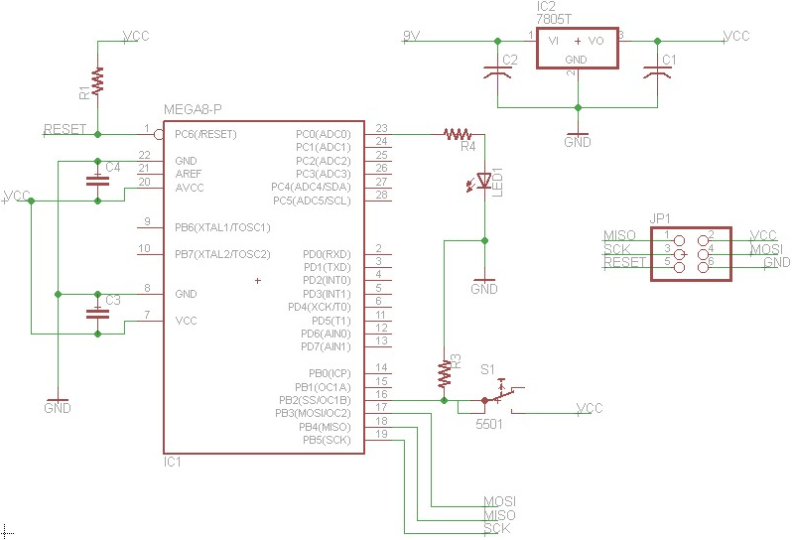
 | BOM for Getting Started in Embedded Systems
 | The information found here is not guarenteed to be correct. Please double check before buying.
 | The "Quantity" column is the minimum quantity to buy. It would be wise to buy more than what you need for some of the parts.
 | Keep in mind this BOM will not get you through the entire Instructable, but there is enough here to build simple circuits.
 | Part Name | Description | Part No. | Name in Circuit | Price | Quantity | URL | Comp. Price
 | AVRISP-mkII | The programmer that uploads code to the MCU | ATAVRISP2-ND | N/A | $37.50 | 1 | Link to Part | $37.50
 | ATmega328P | A DIP MCU to program and control | ATMEGA328P-PU-ND | IC1 | $3.23 | 1 | Link to Part | $3.23
 | 7805 LDO | Linear voltage regulator, outputs 5 volts | MC7805CT-BP | IC2 7805T | $0.48 | 1 | Link to Part | $0.48
 | 0.1uF 50V Cap | Ceramic Capacitor: 0.1uF 50V | BC2665CT-ND | C[3-4] | $0.37 | 2 | Link to Part | $0.74
 | 10uF 50V Cap | Electrolytic capacitor: 10uF 50V | P5567-ND | C2 | $0.23 | 1 | Link to Part | $0.23
 | 100uF 35V Cap | Electrolytic capacitor: 100uF 35V | P5165-ND | C1 | $0.25 | 1 | Link to Part | $0.25
 | Male Header Pins | Male header pins, 0.1" spacing | 609-3367-ND | JP1 | $1.03 | 1 | Link to Part | $1.03
 | Wall AC to DC | 9V 2 prong wall adapter, 660mA | T981-P7P-ND | 9V & GND (Nodes) | $7.85 | 1 | Link to Part | $7.85
 | Breadboard/Wires | Breadboards on Digikey are expensive |  | N/A | $9.59 | 1 | Link to Part | $9.59
 | LED - color | LED for various applications, any color is fine | C566C-AFS | LED1 | $0.23 | 8 | Link to Part | $1.84
 | Resistor - 1K | Resistors for various applications | CF14JTK00CT-ND | R[1-4] | $0.08 | 15 | Link to Part | $1.20
 | Tactile Button | Buttons for various input applications | 401-1983-ND | S1 | $0.82 | 1 | Link to Part | $0.82

Total |  |  |  |  |  |  |  | $64.76

 |  | Bare Bones Schematic:

